SENIF Criteria
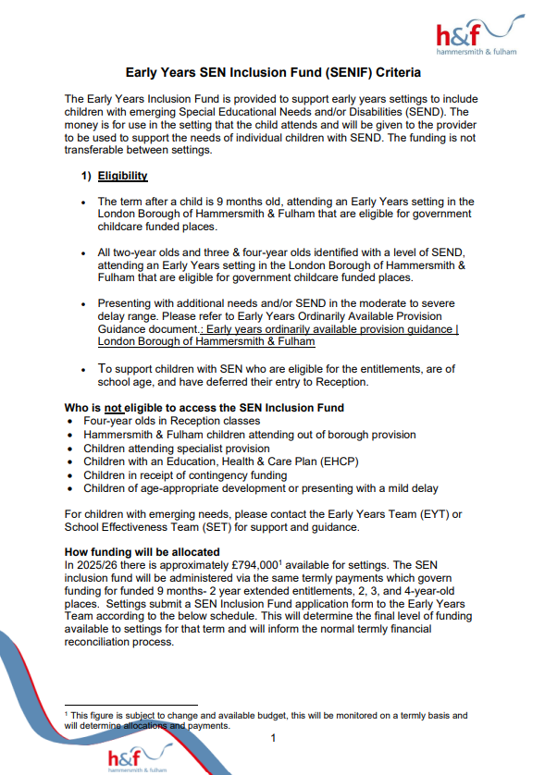 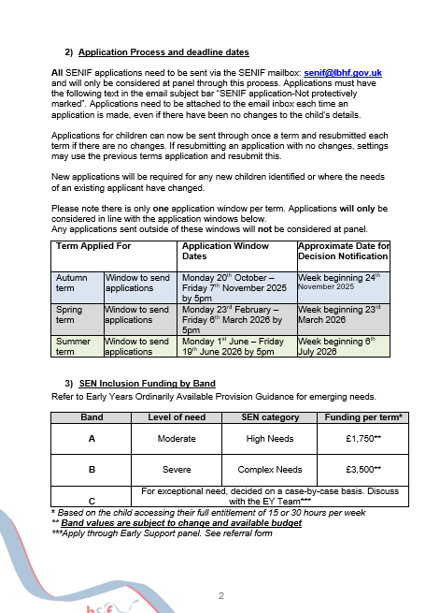 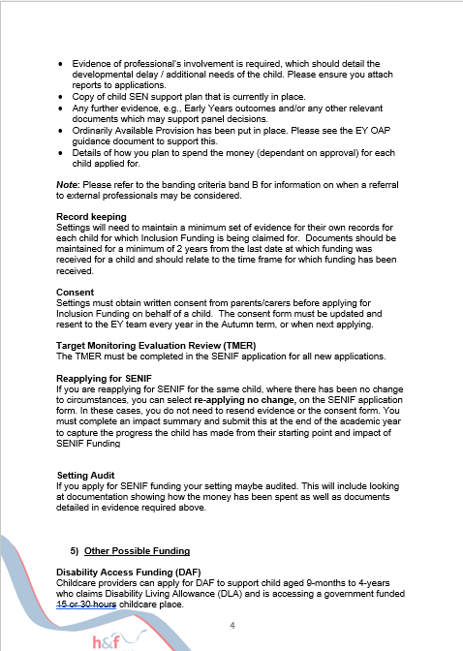

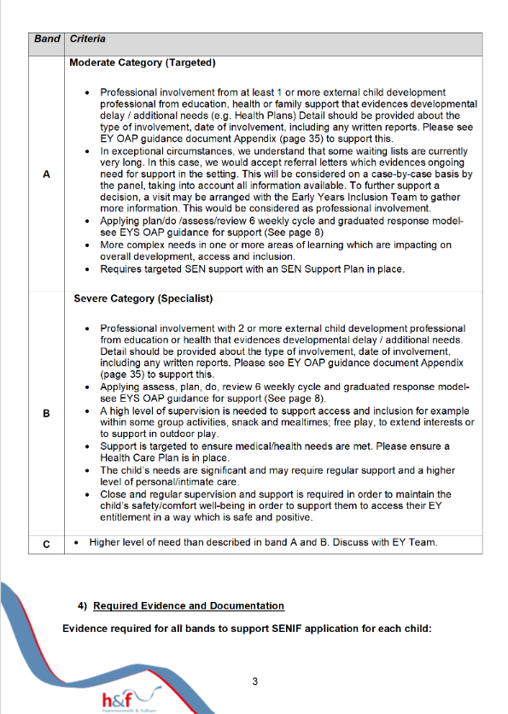

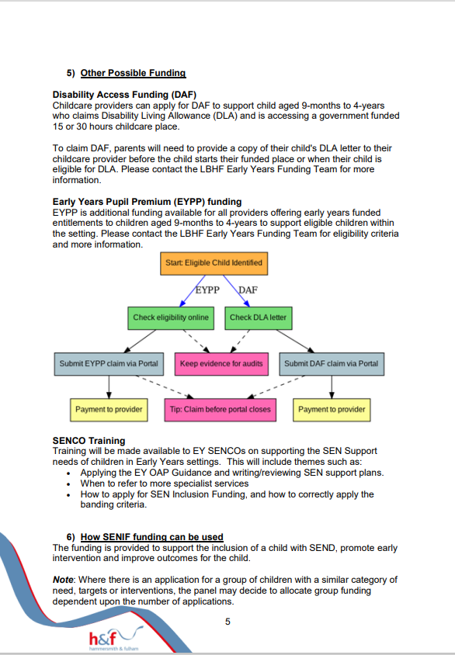
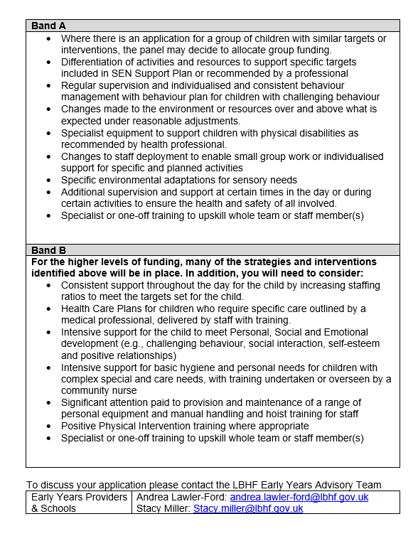

SENIF Checklist
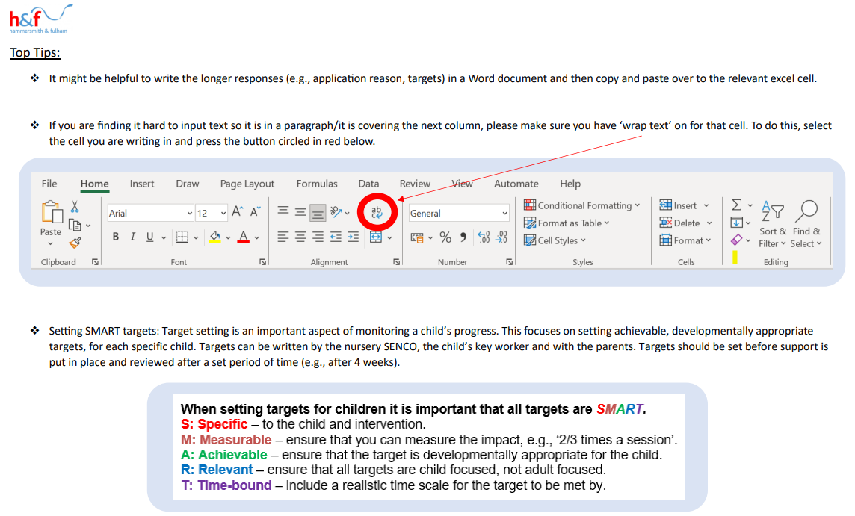
SENIF Requirements Checklist
Please note: Applications will not be considered if the checklist below is not completed for all children you are applying for

 | Application Form saved as 'Senif Application' *term*, e.g., 123 Childcare SENIF Autumn Application
 | Application document(s) saved as ‘provision name child’s initials document title’ e.g., 123 Childcare CY SALT Report
 | Consent form – physically signed by caregiver(s), scanned in/photo, and sent with application.
 | Application form filled with level of detail as shown in the example below (can also be found in SENIF Support Guide).
 | All relevant reports/referral forms from external professionals in the application sent with application form (ensure saved using the format outlined above).
 | External professionals involved are named in the ‘outline reason for application’ cell – e.g., Professionals involved: SALT, Cheyne, EP, INPSIRE, Social Worker etc.
 | Criteria is adhered to (see Criteria Tab on application form).
 | Targets are SMART (see top tips below for what a SMART target includes and examples of targets below and in SENIF Support Guide).
 | Planned use of funding is detailed and provides clear examples of what the funding will be used for to support the child meeting their targets.
 | All documents and SENIF correspondence are sent to the SENIF email (senif@lbhf.gov.uk) with "Senif Application NOT PROTECTIVELY MARKED" in the subject bar.
 | Applications are sent ONLY within an application window (found in the application form, in the Criteria Tab), unless an exception has been discussed.

