Introduction
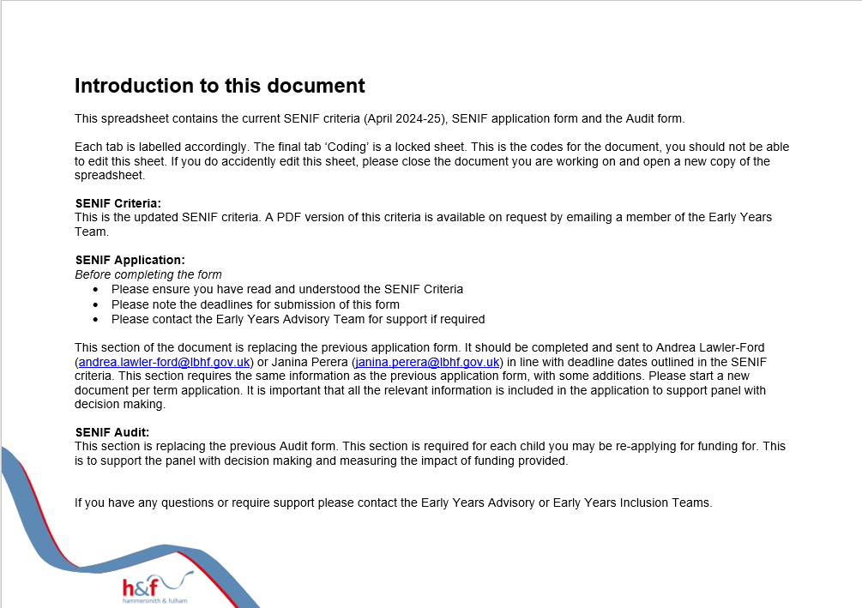

SENIF Criteria









